simplified.weather.numeric.arff
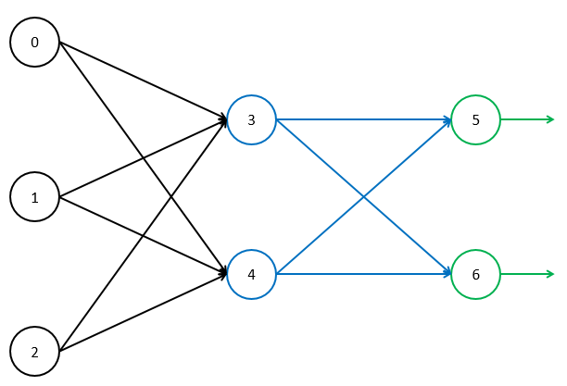
Learning Rate | 0.1
Momentum | 0.1
Bias Value | 1

Epoch | Temperature | Humidity | Windy | Play | Node
 |  |  |  |  | Input
 |  |  |  |  | 0
1 | 85 | 85 | 1 | 1
 | 80 | 90 | 0 | 1
 | 83 | 86 | 1 | 0
 | 70 | 96 | 1 | 0
2 | 85 | 85 | 1 | 1
 | 80 | 90 | 0 | 1
 | 83 | 86 | 1 | 0
 | 70 | 96 | 1 | 0
3 | 85 | 85 | 1 | 1
 | 80 | 90 | 0 | 1
 | 83 | 86 | 1 | 0
 | 70 | 96 | 1 | 0
4 | 85 | 85 | 1 | 1
 | 80 | 90 | 0 | 1
 | 83 | 86 | 1 | 0
 | 70 | 96 | 1 | 0

